Sheet1
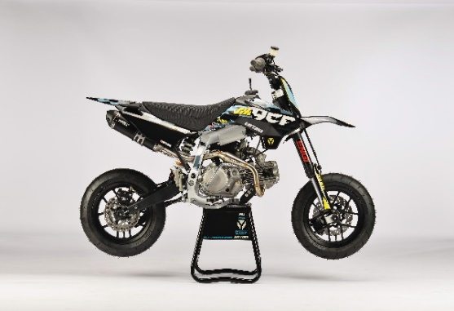
GENERAL
Bike | 2022 YCF PILOT SM 190 DAYTONA | Body | Fun | Configuration | 187.2cc, 4-stroke, Air-cooled, 4 valve, 1-cylinder
Country of Origin | China | Engine Capacity | 187.2 cc | Engine Ref. | 87615

ENGINE
Induction System | Aspirated | Exhaust Config | 1 Into 1 | Stroke | 62 mm
Exhaust Description | Racint with Twin Black aluminium mufflers | Carburettor(s) | 1 | Cylinders | 1
Cooling | Air | Engine Capacity | 187.2 cc | Valves Per Cylinder | 4
Engine Description | 190 | Engine Type | Piston | Compression Ratio | 12.1:1
Engine Config | Horizontal | Engine Stroke | 4 | Lubrication | Separate
Carburettor | Nibbi PE28SP | Bore | 62mm

START
Ignition | CDI (Capacitive Discharge Ignition) | Ignition Description | Digital ECU; ignition produces hot spark | Starter | Kick

ELECTRICS
Engine Voltage | Without | Charging Method | Without

FUEL & EMISSIONS
Fuel Type | Petrol | Fuel Tank Capacity | 3.8 L | Recommended RON | 95

TRANSMISSION
Drive Type | Chain | 1st Gear Ratio | 34/14 (2.43) | 4th Gear Ratio | 24/22 (1.09)
Gear Type | Manual | 2nd Gear Ratio | 26/15 (1.73) | Clutch Type | Wet, Multi Plate
Gear Number | 4 (1-N-2-3-4) | 3rd Gear Ratio | 24/18 (1.33)

CHASSIS & SUSPENSION
Frame Material | High tensile steel; Tubular | Swingarm Type | Dual Sided | Front Suspension | ENGI 735 mm front fork, Ø37mm Adjustable Rebound & Preload
Frame Design | With cradle | Rear Suspension | 310 mm DNM Mono Shock Absorber, Adjustable preload & rebound dampimg, 1000 Lbs

BRAKES
Front Brake | Single disc; Hydraulic | Front Brake Diameter | Floatting disk 220 mm | Rear Brake Calliper(s) | Single Piston
Front Brake Calliper(s) | Double Piston | Rear Brake | Single disc; Hydraulic | Rear Brake Diameter | 200 mm

WHEELS & TYRES
Wheel Type | Black YCF SM rims | Wheel Size Rear | YCF SM RIM 2.75x12" | Front Tyre | KENDA K702 110/70-12'
Wheel Size Front | YCF SM RIM 2.15x12" | Rear Tyre | KENDA K702 120/70-12' | Driveline | 15T / 45T

DIMENSIONS & WEIGHTS
Length | 1680 mm | Height | 1060 mm (handle bar) | Seating Capacity | 1
Width | 760 mm | Wheelbase | 1170 mm | Seat Height Min | 805 mm
Wet / Op.Weight | 70 kg | Ground Clearance | 305 mm

