26-START-125SE-STD
BIKE CODE FOR ORDERS |  | 26-START-125SE-STD | BIKE DESCRIPTION NAME | YCF START-125SE 2026 | CONTROL STATUS
EFFECTED DATE(D/M/Y) |  | 26/1/2026 | VERSION | 2026A0

Handle bar assembly |  |  |  |  |  | AB
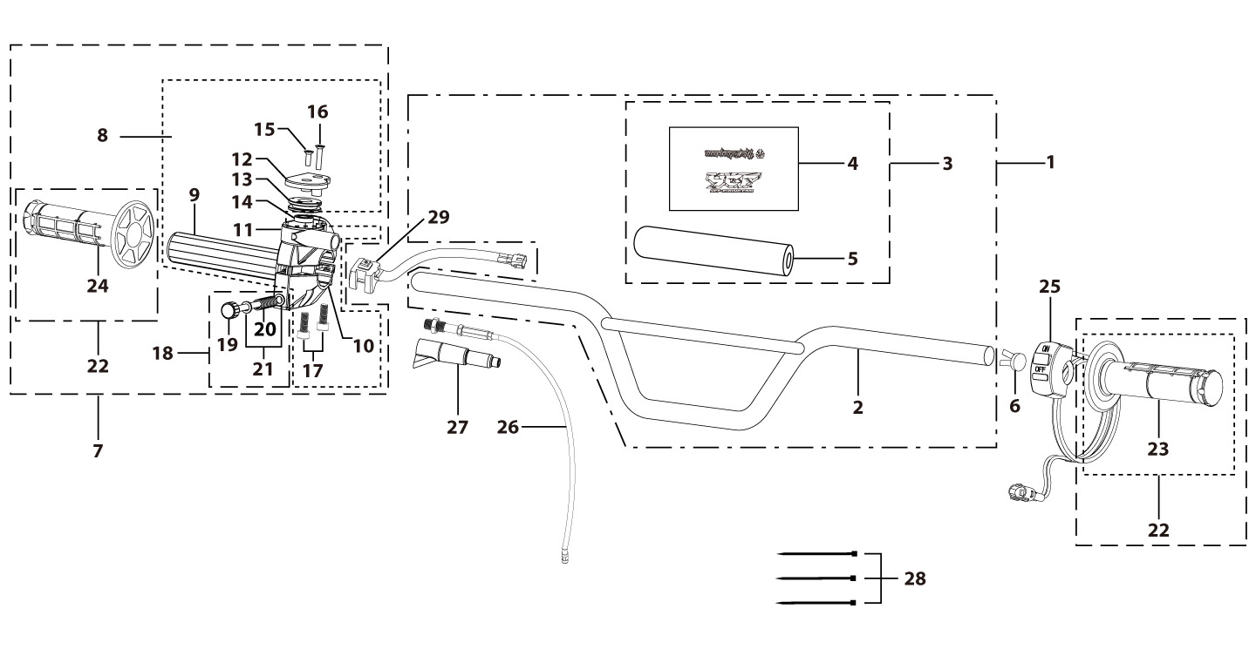
N° | Ref. | Description | Français | Picture | Qty/Bike | Rep. Pst.
2 | YC110-0101-16-BK | Handle Bar chromoly L=780mm d=22.2mm BIGY125, with cross bar, embossed, Black | Guidon chromoly BIGY125 L=780mm d=22.2mm Noir |  | 1
 | GA-BK | Aluminium Handle Bar "HIGH" L=760mm d=22.2mm (with black pad and pvc ) BLACK | Guidon sans barre alu "HAUT" L=760mm d=22.2mm complet avec mousse et pvc NOIR |  | 1 | AFTERMARKET
 | GA-BL | Aluminium Handle Bar "HIGH" L=760mm d=22.2mm (with black pad and pvc ) BLUE | Guidon sans barre alu "HAUT" L=760mm d=22.2mm complet avec mousse et pvc BLEU |  | 1 | AFTERMARKET
 | GA-RD | Aluminium Handle Bar "HIGH" L=760mm d=22.2mm (with black pad and pvc ) RED | Guidon sans barre alu "HAUT" L=760mm d=22.2mm complet avec mousse et pvc ROUGE |  | 1 | AFTERMARKET
 | GA-OR | Aluminium Handle Bar "HIGH" L=760mm d=22.2mm (with black pad and pvc ) ORANGE | Guidon sans barre alu "HAUT" L=760mm d=22.2mm complet avec mousse et pvc ORANGE |  | 1 | AFTERMARKET
 | GA-GR | Aluminium Handle Bar "HIGH" L=760mm d=22.2mm (with black pad and pvc ) GREEN | Guidon sans barre alu "HAUT" L=760mm d=22.2mm complet avec mousse et pvc VERT |  | 1 | AFTERMARKET
 | GALOW-BL | Aluminium Handle Bar, "LOW" shape L=760mm d=22.2mm SP2 BLUE | Diametre egal, Guidon aluminium BLEU BAS L=760mm |  | 1 | AFTERMARKET
 | GALOW-OR | Aluminium Handle Bar, "LOW" shape L=760mm d=22.2mm SP2 Orange | Guidon aluminium ORANGE BAS L=760mm |  | 1 | AFTERMARKET
 | GALOW-GR | Aluminium Handle Bar, "LOW" shape L=760mm d=22.2mm SP2 GREEN | Guidon aluminium VERT BAS L=760mm |  | 1 | AFTERMARKET
 | GALOW-RD | Aluminium Handle Bar, "LOW" shape L=760mm d=22.2mm SP2 RED | Guidon aluminium Rouge BAS L=760mm |  | 1 | AFTERMARKET
 | GALOW-BK | Aluminium Handle Bar, "LOW" shape BLACK L=760mm | Guidon aluminium NOIR BAS L=760mm |  | 1 | AFTERMARKET
 | GA-02-RD | Aluminium handle bar ( with Black pad and pvc ) TWIN ALL L=760mm d=28.6mm SP3 RED | guidon alu complet avec mousse + Pvc L=760mm d=28.6mm SP3 2016 ROUGE |  | 1 | AFTERMARKET
 | GA-02-BL | Aluminium handle bar ( with Black pad and pvc ) TWIN ALL L=760mm d=28.6mm SP3 BLUE | guidon alu complet avec mousse + Pvc L=760mm d=28.6mm SP3 2016 BLEU |  | 1 | AFTERMARKET
 | GA-02-GR | Aluminium handle bar ( with Black pad and pvc ) TWIN ALL L=760mm d=28.6mm SP3 GREEN | guidon alu complet avec mousse + Pvc L=760mm d=28.6mm SP3 2016 VERT |  | 1 | AFTERMARKET
 | GA-02-OR | Aluminium handle bar ( with Black pad and pvc ) TWIN ALL L=760mm d=28.6mm SP3 ORANGE | guidon alu complet avec mousse + Pvc L=760mm d=28.6mm SP3 2016 ORANGE |  | 1 | AFTERMARKET
 | GA-02-BK | Aluminium handle bar ( with Black pad and pvc ) TWIN ALL L=760mm d=28.6mm SP3 BLACK | guidon alu complet avec mousse + Pvc L=760mm d=28.6mm SP3 2016 NIOR |  |  | AFTERMARKET
3 | YC110-0132 | Complete Bar Pad for Chromolly Handlebar L=250mm START Black-WHITE | Mousse guidon complete pour guidon Chromolly L=250mm Noir-BLANC |  | 1
3 | YC110-0132-BL | YCF Bar pad L=250mm use for Steel Handlebar 2013 BLUE | mousse guidon complete YCF Guidon Acier L=250mm 2013 BLEU |  | 1 | AFTERMARKET
3 | YC110-0132-GR | YCF Bar pad L=250mm use for Steel Handlebar 2013 GREEN | mousse guidon complete YCF Guidon Acier L=250mm 2013 VERT |  | 1 | AFTERMARKET
3 | YC110-0132-OR | YCF Bar pad L=250mm use for Steel Handlebar 2013 ORANGE | mousse guidon complete YCF Guidon Acier L=250mm 2013 ORANGE |  | 1 | AFTERMARKET
3 | YC110-0132-YE | YCF Bar pad L=250mm use for Steel Handlebar 2013 YELLOW | mousse guidon complete YCF Guidon Acier L=250mm 2013 JAUNE |  | 1 | AFTERMARKET
3 | YC110-0132-PK | YCF Bar pad L=250mm use for Steel Handlebar 2013 PINK | mousse guidon complete YCF Guidon Acier L=250mm 2013 ROSE |  | 1 | AFTERMARKET
3 | YC110-0132-RD | YCF Bar pad L=250mm use for Steel Handlebar 2013 RED | mousse guidon complete YCF Guidon Acier L=250mm 2013 ROUGE |  | 1 | AFTERMARKET
3 | YC110-0132-WH | YCF Bar pad L=250mm use for Steel Handlebar 2013 WHITE | mousse guidon complete YCF Guidon Acier L=250mm 2013 BLANC |  | 1 | AFTERMARKET
6 | YC110-0153-01 | Handle bar plastic cap,Nylon,Black | Embout plastique de guidon,nylon,Noir |  | 1
7 | YC110-0138-04 | Complete Throttle Assy. (With adjusting bolts)+set of grip ( YCF LOGO) Grey 2020 | Poignee gaz reglable complete YCF 2020 avec Paire de poignée caoutchouc YCF GRIS 2020 + vis reglage |  | 1
15 | GB819-M4x14 | Countersunk cross head machine screw,stainless steel, M4x14mm | Vis à tête fraisée plate cruciforme,inox, M4x14mm |  | 1
16 | GB819-M4x20 | Countersunk cross head machine screw,stainless steel, M4x20mm | Vis à tête fraisée plate cruciforme,inox, M4x20mm |  | 1
17 | GB70-M6x25 | HEXAGON SOCKET Head Bolt, stainless steel, M6x25mm | Vis Allen (BTR)inox, M6x25mm |  | 2
18 | YC110-01022-06 | Complete SCREW FOR THROTTLE ADJUSTMENT,(with GB97-d5xd9x1-W2A + YC110-01021-06 1EA+YC110-01021-07 1EA) | VIS M5X50 POUR RÉGLAGE DE LA POIGNÉE DE GAZ complete (avec GB97-d5xd9x1-W2A + YC110-01021-06 1EA+YC110-01021-07 1EA) |  | 1
22 | PPC011-GY | set of grip 2020 (YCF LOGO) Grey | Paire de poignée caoutchouc 2020 (YCF LOGO) GRISE |  | 1
22 | PPC011-PK | YCF set of grip PINK 2020 | paire de poignée caoutchouc YCF ROSE 2020 |  | 1 | AFTERMARKET
22 | PPC011-RD | YCF set of grip RED 2020 | paire de poignée caoutchouc YCF ROUGE 2020 |  | 1 | AFTERMARKET
22 | PPC011-BL | YCF set of grip BLUE 2020 | paire de poignée caoutchouc YCF BLEU 2020 |  | 1 | AFTERMARKET
22 | PPC011-WH | YCF set of grip WHITE 2020 | paire de poignée caoutchouc YCF BLANC 2020 |  | 1 | AFTERMARKET
22 | PPC011-YE | YCF set of grip YELLOW 2020 | paire de poignée caoutchouc YCF JAUNE 2020 |  | 1 | AFTERMARKET
22 | PPC011-GR | YCF set of grip GREEN 2020 | paire de poignée caoutchouc YCF VERT 2020 |  | 1 | AFTERMARKET
22 | PPC011-BK | YCF set of grip BLACK 2020 | paire de poignée caoutchouc YCF Noir 2020 |  | 1 | AFTERMARKET
22 | PPC011-OR | YCF set of grip ORANGE 2020 | paire de poignée caoutchouc YCF ORANGE 2020 |  | 1 | AFTERMARKET
22 | PPC011-BS | YCF set of grip Sky blue 2020 | paire de poignée caoutchouc YCF BLEU 2020 |  | 1 | AFTERMARKET
 | DONUTZ-02-RD | YCF DONUTS d25xd55x5mm 2PCS 2015 RED | DONUTS YCF d25xd55x5mm 2PCS 2015 ROUGE |  | 1 | AFTERMARKET
 | DONUTZ-02-OR | YCF DONUTS d25xd55x5mm 2PCS 2015 ORANGE | DONUTS YCF d25xd55x5mm 2PCS 2015 ORANGE |  | 1 | AFTERMARKET
 | DONUTZ-02-YE | YCF DONUTS d25xd55x5mm 2PCS 2015 YELLOW | DONUTS YCF d25xd55x5mm 2PCS 2015 JAUNE |  | 1 | AFTERMARKET
 | DONUTZ-02-BL | YCF DONUTS d25xd55x5mm 2PCS 2015 BLUE | DONUTS YCF d25xd55x5mm 2PCS 2015 BLEU |  | 1 | AFTERMARKET
 | DONUTZ-02-BK | YCF DONUTS d25xd55x5mm 2PCS 2015 BLACK | DONUTS YCF d25xd55x5mm 2PCS 2015 NOIR |  | 1 | AFTERMARKET
 | YC110-14-070-BK | Handguards d22.2 black | jeu protege main d22.2 noir |  | 1 | AFTERMARKET
 | YC110-14-070-WH | Handguards d22.2 white | jeu protege main d22.2 blanc |  | 1 | AFTERMARKET
 | YC110-14-071-BK | Handguards black d22.2+d28.6 2012 | jeu protege main noir d22.2+d28.6 2012 |  | 1 | AFTERMARKET
 | YC110-14-071-WH | Handguards white d22.2+d28.6 2012 | jeu protege main blanc d22.2+d28.6 2012 |  | 1 | AFTERMARKET
21 | YC110-0135-02 | clutch adjustable complete bracket with lever 2020 GREY | Cocotte reglage rapide avec levier embrayage 2020 GRIS |  | 1 | AFTERMARKET
21 | LEP21-BK | Complete FOLDABLE CLUTCH LEVER 21 CNC Black | LEVIER EMBRAYAGE complete PLIABLE 21 CNC Noir |  | 1 | AFTERMARKET
21 | LEP21-RD | Complete FOLDABLE CLUTCH LEVER 21 CNC Red | LEVIER EMBRAYAGE complete PLIABLE 21 CNC Rouge |  | 1 | AFTERMARKET
21 | LEP21-OR | Complete FOLDABLE CLUTCH LEVER 21 CNC Orange | LEVIER EMBRAYAGE complete PLIABLE 21 CNC Orange |  | 1 | AFTERMARKET
21 | LEP21-GR | Complete FOLDABLE CLUTCH LEVER 21 CNC Green | LEVIER EMBRAYAGE complete PLIABLE 21 CNC Vert |  | 1 | AFTERMARKET
...
N° | Ref. | Description | Français | Picture | Qty/Bike | Rep. Pst.
21 | YC110-0103-06-RD | CNC adjustable bracket with lever RED | Cocotte CNC reglage rapide avec levier embrayage ROUGE |  | 1 | AFTERMARKET
21 | YC110-0103-06-GR | CNC adjustable bracket with lever GREEN | Cocotte CNC reglage rapide avec levier embrayage VERT |  | 1 | AFTERMARKET
21 | LEPLIABLE | FOLDABLE Clutch lever | Levier embrayage pliable avec cocotte |  | 1 | AFTERMARKET
25 | YC110-0105-15 | Kill Switch ON/OFF L=580mm Waterproof | Coupe circuit on off L=580mm ETANCHE |  | 1
 | YC110-0105-08 | YCF Magnet kill switch | Coupe circuit YCF aimant |  | 1 | AFTERMARKET
26 | YC110-0106-22 | Throttle Cable L=840mm A+B=130mm Screw thread adjustable part 73mm | Cable gaz L=840mm A+B=130mm Section réglable de la vis 73mm |  | 1
27 | YC110-0143-01 | Rubber on trottle cable | Protection caoutchouc cable de gas |  | 1
28 | YC110-01-03-BK | Cable tie,nylon, L=150mm Black | collier maintien cable, nylon, L=150mm Noir |  | 3
29 | YC110-0139-03 | Electrical start switch Waterproof L=500mm | Bouton demareur ETANCHE L=500mm |  | 1
Steering stem assembly |  |  |  |  |  | AB
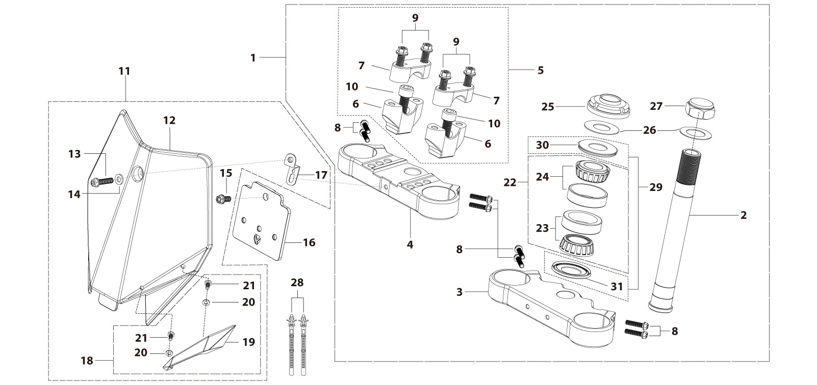
N° | Ref. | Description | Français | Picture | Qty/Bike | Rep. Pst.
1 | YC110-02-053-BK | Complete Triple Clamp L=160mm Steering stem=233mm SP2 2020 MATT Black | Te Fourche Complet L=160mm colonne direction=233mm SP2 2020 Noir MAT |  | 1
1 | YC110-02-053-RD | Complete Triple Clamp (TOPd45mm / BOTTOM d48mm) adjustable bar mount, CP 2020 Type Red | Te Fourche Complet (TE SUPd45mm / TE INF d48mm) pontet ajustable Type CP 2020 Rouge |  | 1 | AFTERMARKET
1 | YC110-02-053-GR | Complete Triple Clamp (TOPd45mm / BOTTOM d48mm) adjustable bar mount, CP 2020 Type Green | Te Fourche Complet (TE SUPd45mm / TE INF d48mm) pontet ajustable Type CP 2020 Vert |  | 1 | AFTERMARKET
1 | YC110-02-053-BL | Complete Triple Clamp (TOPd45mm / BOTTOM d48mm) adjustable bar mount, CP 2020 Type Blue | Te Fourche Complet (TE SUPd45mm / TE INF d48mm) pontet ajustable Type CP 2020 Bleu |  | 1 | AFTERMARKET
1 | YC110-02-053-OR | Complete Triple Clamp (TOPd45mm / BOTTOM d48mm) adjustable bar mount, CP 2020 Type Orange | Te Fourche Complet (TE SUPd45mm / TE INF d48mm) pontet ajustable Type CP 2020 Orange |  | 1 | AFTERMARKET
1 | YC110-02-053-PU | Complete Triple Clamp L=160mm Steering stem=233mm SP2 2020 MATT PURPLE | Te Fourche Complet L=160mm colonne direction=233mm SP2 2020 PURPLE MAT |  | 1 | AFTERMARKET
2 | YC110-0201-03 | Steering stem L=233mm | tige colonne direction L=233mm |  | 1
3 | YC110-0202-56-BK | Lower triple clamp L=160mm d48mm H=28mm START/PILOT 2020 MATT Black | té fourche inferieur L=160mm d48mm H=28mm START/PILOT 2020 Noir MAT |  | 1
4 | YC110-0201-56-BK | Top Triple Clamp L=160mm d45mm H=28mm START/PILOT 2022, 3 ADJUSTEBLE POSITIONS,MATT Black | té fourche supérieur L=160mm d45mm H=28mm START/PILOT 2022, REGLAGE 3 POSITIONS,Noir MAT |  | 1
...
N° | Ref. | Description | Français | Picture | Qty/Bike | Rep. Pst.
 | YC110-032-02-RD | YCF Front Fender 2020 (short) Red | GARDE BOUE AVANT 2020 (Court) Rouge |  | 1 | AFTERMARKET
 | YC110-032-02-PK | YCF Front Fender 2020 (short) PINK | GARDE BOUE AVANT 2020 (Court) ROSE |  | 1 | AFTERMARKET
 | YC110-032-02-YE | YCF Front Fender 2020 (short) Yellow | GARDE BOUE AVANT 2020 (Court) Jaune |  | 1 | AFTERMARKET
 | YC110-032-02-GR | YCF Front Fender 2020 (short) Green | GARDE BOUE AVANT 2020 (Court) Vert |  | 1 | AFTERMARKET
 | YC110-032-02-BL | YCF Front Fender 2020 (short) BIUE | GARDE BOUE AVANT 2020 (Court) BIEU |  | 1 | AFTERMARKET
 | YC110-032-02-WH | YCF Front Fender PP START 2020 short WHITE | GARDE BOUE AVANT PP START 2020 court BLANC |  | 1 | AFTERMARKET
 | YC110-032-02-BK | YCF Front Fender PP START 2020 short Black | GARDE BOUE AVANT PP START 2020 court Noir |  | 1 | AFTERMARKET
3 | GBT5787-M6x16-6-W | Hex. Bolt with flanged M6x16mm (step 6mm) steel | Vis avec epaulement M6x16mm (deport 6mm) acier |  | 3
4 | GBT5787-M6x16-3-W | HEXAGON screw with Flange with half thread M6x16mmx3mm | Vis HEXAGONALE avec Flange et deport M6x16mmx3mm |  | 2
Front & Rear absorber |  |  |  |  |  | AB
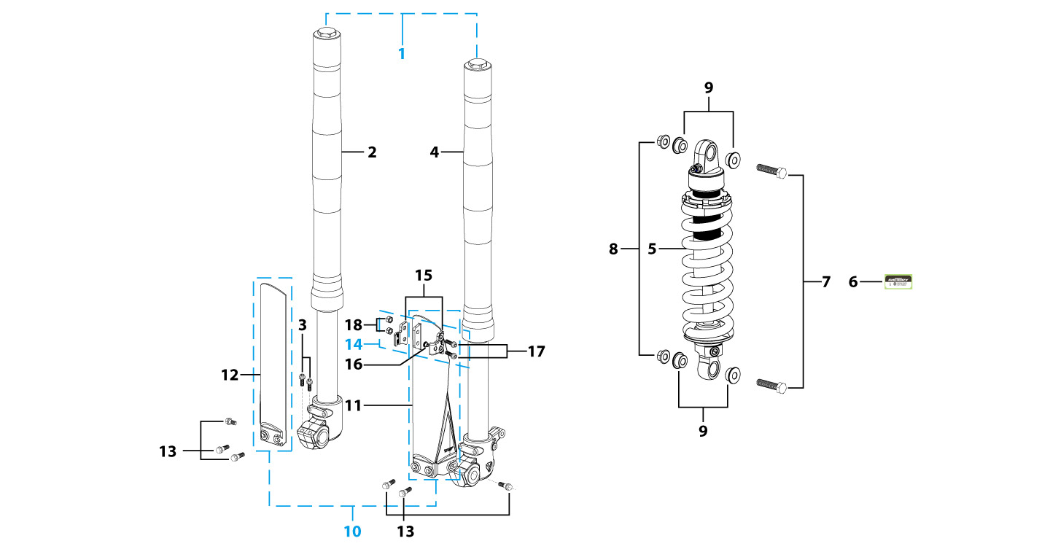
N° | Ref. | Description | Français | Picture | Qty/Bike | Rep. Pst.
1 | YC110-0400-41 | Pair of forks L=660mm (not adjustable) GREY 2020 | Jeu de fourches (non ajustable) L=660mm GRIS 2020 |  | 1
1 | ZL1-660 | Pair of forks L=660mm ( adjustable) Adjustable | Jeu de fourches ( ajustable) L=660mm Reglable |  | 1 | AFTERMARKET
2 | YC110-0401-0101 | Front right fork L=660mm START 2020 TITAN cylinder, Chrome tube, silver base | Tube fourche droit L=660mm START 2020 GRIS |  | 1
3 | BT08-M6x30-W | HEXAGON Torx screw with Flange M6x30mm | Vis HEXAGONALE Torx avec Flange M6x30mm |  | 2
4 | YC110-0402-1901 | Front left fork L=660mm START125 2020 TITAN cylinder, Chrome tube, silver base | Tube fourche gauche L=660mm GRIS 2020 |  | 1
5 | YC110-0404-14 | Shock absorber START L=270mmx750lbs KKE YELLOW | Amortisseur START L=270mmx750lbs KKE JAUNE |  | 1
5 | YC110-0404-60 | shock absorber 270mmx350lbs DNM MK-AR WHITE | Amortisseur 270mmx350lbs DNM MK-AR BLANC |  | 1 | AFTERMARKET
5 | YC110-0404-84 | shock absorber with Piggy Back 270mmx1000lbs DNM WHITE | Amortisseur avec Bonbonne 270mmx1000lbs DNM BLANC |  | 1 | AFTERMARKET
 | YC110-0417-22-WH | Spring for shock absorber L=140.7mmmm White 600LBS (SOFTER than 750LBS) | Ressort amortisseur L=140.7mmmm Blanc 600LBS (moins dur que 750LBS) |  | 1 | AFTERMARKET
...
N° | Ref. | Description | Français | Picture | Qty/Bike | Rep. Pst.
 | SPKAS01-OR | SPOKE SKINS ASSY FRONT L=215mmx38PCS REAR L=190 mmx38PCS ORANGE | Kit de couvre rayons AVANT: 215 mmx38PCS ARRIERE : 190mmx38PCS ORANGE |  | 1 | AFTERMARKET
 | SPKAS01-BK | SPOKE SKINS ASSY FRONT L=215mmx38PCS REAR L=190 mmx38PCS BLACK | Kit de couvre rayons AVANT: 215 mmx38PCS ARRIERE : 190mmx38PCS NOIR |  | 1 | AFTERMARKET
 | YC110-0627-RD | Front brake protection assy 2014 RED | Protection Disque Complete YCF ROUGE |  | 1 | AFTERMARKET
 | YC110-0627-OR | Front brake protection assy 2014 ORANGE | Protection Disque Complete YCF ORANGE |  | 1 | AFTERMARKET
 | YC110-0627-YE | Front brake protection assy 2014 YELLOW | Protection Disque Complete YCF JAUNE |  | 1 | AFTERMARKET
 | YC110-0627-GR | Front brake protection assy 2014 GREEN | Protection Disque Complete YCF VERT |  | 1 | AFTERMARKET
 | YC110-0627-BL | Front brake protection assy 2014 BLUE | Protection Disque Complete YCF BLEU |  | 1 | AFTERMARKET
 | YC110-0627-WH | Front brake protection assy 2014 WHITE | Protection Disque Complete YCF BLANC |  | 1 | AFTERMARKET
 | YC110-0627-BK | Front brake protection assy 2014 BLACK | Protection Disque Complete YCF NOIR |  | 1 | AFTERMARKET
Fuel Tank |  |  |  |  |  | AB
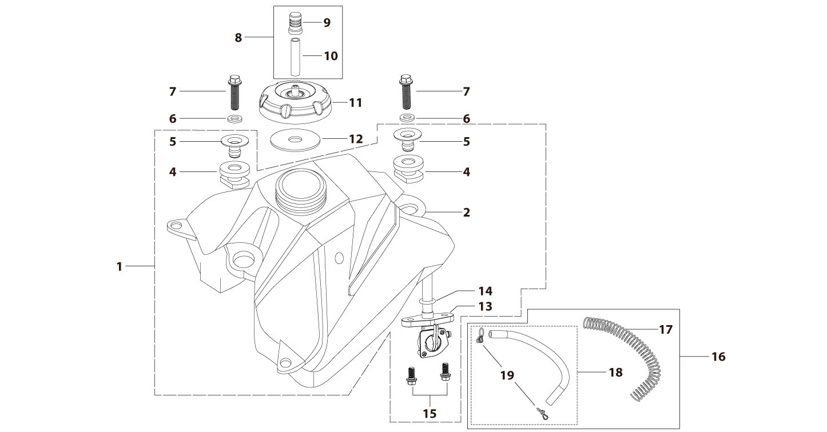
N° | Ref. | Description | Français | Picture | Qty/Bike | Rep. Pst.
1 | YC110-0701-02 | Complete fuel tank suitable for pre bikes START125 2025 with grain (with YC110-07-01 2EA+YC110-07-02 2EA) | Reservoir complet (Adaptable pour motos avant) START125 2025 avec finition granulee(with YC110-07-01 2EA+YC110-07-02 2EA) |  | 1
6 | GB96-d6-W | Flat washer,steel d6mm | Rondelle plate,acier d6mm |  | 2
7 | BT08-M8x30-W | HEXAGON Torx screw with Flange M8x30mm | Vis HEXAGONALE Torx avec Flange M8x30mm |  | 2
8 | YC125-0704-BK | Fuel tank valve complete L=40mm Black | Valve prise air complete L=40mm Noir |  | 1
8 | YC125-0704-BL | Fuel tank valve Blue | Valve prise air Bleu |  | 1 | AFTERMARKET
8 | YC125-0704-RD | Fuel tank valve Red | Valve prise air Rouge |  | 1 | AFTERMARKET
8 | YC125-0704-GR | Fuel tank valve Green | Valve prise air Vert |  | 1 | AFTERMARKET
8 | YC125-0704-OR | Fuel tank valve Orange | Valve prise air Orange |  | 1 | AFTERMARKET
8 | YC125-0704-PU | Fuel tank valve PURPLE | Valve prise air VIOLET |  | 1 | AFTERMARKET
...
N° | Ref. | Description | Français | Picture | Qty/Bike | Rep. Pst.
16 | YC110-0706 | fuel tank rubber line spring d4.5mmxd8.5mmx210mm | durite reservoir avec ressort d4.5mmxd8.5mmx210mm |  | 1
18 | DC-WH | Fuel line White L=1000mm | Durite essence White L=1000mm |  | 1 | AFTERMARKET
18 | DC-RD | Fuel line Red L=1000mm | Durite essence Rouge L=1000mm |  | 1 | AFTERMARKET
18 | DC-PK | Fuel line PINK L=1000mm | Durite essence ROSE L=1000mm |  | 1 | AFTERMARKET
18 | DC-BL | Fuel line Blue L=1000mm | Durite essence Bleu L=1000mm |  | 1 | AFTERMARKET
18 | DC-GR | Fuel line Green L=1000mm | Durite essence vert L=1000mm |  | 1 | AFTERMARKET
18 | DC-YE | Fuel line Yellow L=1000mm | Durite essence jaune L=1000mm |  | 1 | AFTERMARKET
18 | DC-OR | Fuel line Orange L=1000mm | Durite essence Orange L=1000mm |  | 1 | AFTERMARKET
18 | DC-BK | Fuel line Black L=1000mm | Durite essence NOIR L=1000mm |  | 1 | AFTERMARKET
Air Filter |  |  |  |  |  | AB
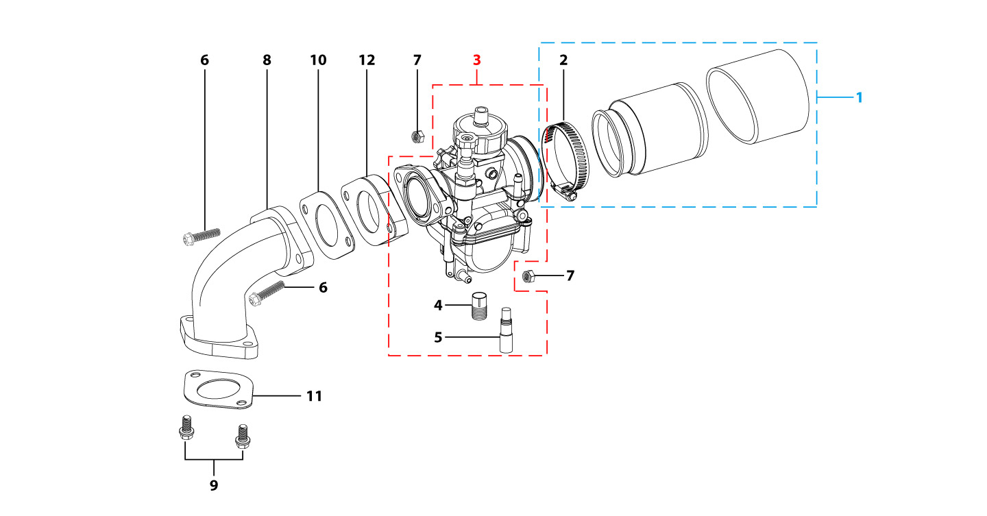
N° | Ref. | Description | Français | Picture | Qty/Bike | Rep. Pst.
1 | YC110-0802-09 | YCF air filter blue d45mm twin thickness(for NIBBI) assy | Filtre a air YCF bleu d45mm bi-matiere (pour carburateur NIBBI) assemble |  | 1
1 | YC110-0801-10 | Air box assy F125 2017 | Boite a air complete F125 2017 |  | 1 | AFTERMARKET
2 | YC110-0805-03 | Holding ring d32mm-d50mm | collier FILTRE d32mm-d50mm |  | 1
3 | PE19FL-SP | NIBBI Carburetor PE19 | NIBBI Carburetor PE19 |  | 1
 | PE24SP | NIBBI Carburetor PE24SP | NIBBI Carburetor PE24SP |  | 1 | AFTERMARKET
4 | LK-PE-95 | Main Jet 95 PE Nibbi | Gicleur principal 95 PE Nibbi |  | 1
 | LK-PE-90 | Main Jet 90 PE Nibbi | Gicleur principal 90 PE Nibbi |  | 1 | AFTERMARKET
 | LK-PE-92 | Main Jet 92 PE Nibbi | Gicleur principal 92 PE Nibbi |  | 1 | AFTERMARKET
 | LK-PE-98 | Main Jet 98 PE Nibbi | Gicleur principal 98 PE Nibbi |  | 1 | AFTERMARKET
...
N° | Ref. | Description | Français | Picture | Qty/Bike | Rep. Pst.
 | LK-FLK-30 | Slow Jet 30 FLK Nibbi | Gicleur ralenti 30 FLK Nibbi |  | 1 | AFTERMARKET
 | LK-FLK-35 | Slow Jet 35 FLK Nibbi | Gicleur ralenti 35 FLK Nibbi |  | 1 | AFTERMARKET
6 | BT08-M6x30-W | HEXAGON Torx screw with Flange M6x30mm | Vis HEXAGONALE Torx avec Flange M6x30mm |  | 2
7 | GB6170-M6-W | HEXAGON Nut M6mm steel | Ecrou HEXAGONAL M6mm acier |  | 2
8 | 17311/152FMIFA56-2 | Inlet Pipe,Pro R-START 125 2012 | PIPE ADMISSION R-START 125 2012 |  | 1
9 | BT08-M6x20-W | HEXAGON Torx screw with Flange M6x20mm | Vis HEXAGONALE Torx avec Flange M6x20mm |  | 2
10 | 17332 | carburettor paper gasket d28mm | joint papier carburateur d28mm |  | 1
11 | 17332/152FMH01 | Intake Gasket | JT PAPIER PIPE ADMISSION |  | 1
12 | F00C039 | carburettor isolating gasket d27.5mm | joint plastique carburateur d27.5mm |  | 1
Foot Peg assy |  |  |  |  |  | AB
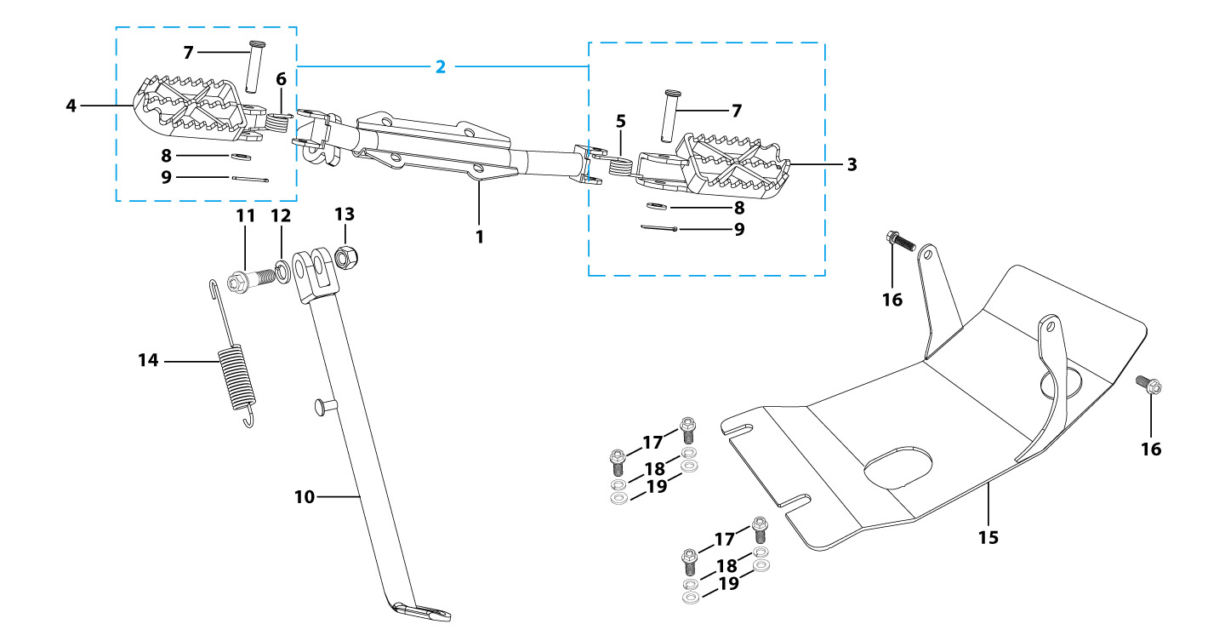
N° | Ref. | Description | Français | Picture | Qty/Bike | Rep. Pst.
1 | YC110-0901-01-BK | Foot pegs bar d22mm x 2.5mm START125 2025 BLACK | barre repose pied d22mm x 2.5mm START125 2025 NOIR |  | 1
2 | YC110-0902-17 | Steel foot pegs set START / PILOT 2022 GREY | Jeu repose pied Acier START / PILOT 2022 GRIS |  | 1
1 | YC110-0902-05 | Inox foot pegs set Large | Jeu repose pied inox Large |  | 1 | AFTERMARKET
1 | RPALU-BK | CNC YCF ALUMINIUM FOOT PEG BLACK 2013 (with 119.1-085043 2EA+GB97-Ф8-W 2EA +GB91-d2x25-W 2EA+YC110-09-03 1EA+YC110-09-04 1EA) | REPOSE PIED CNC NOIR 2013 |  | 1 | AFTERMARKET
1 | RPALU-BL | CNC YCF ALUMINIUM FOOT PEG BLUE 2013 (with 119.1-085043 2EA+GB97-Ф8-W 2EA +GB91-d2x25-W 2EA+YC110-09-03 1EA+YC110-09-04 1EA) | REPOSE PIED CNC BLEU 2013 |  | 1 | AFTERMARKET
1 | RPALU-GR | CNC YCF ALUMINIUM FOOT PEG GREEN 2013 (with 119.1-085043 2EA+GB97-Ф8-W 2EA +GB91-d2x25-W 2EA+YC110-09-03 1EA+YC110-09-04 1EA) | REPOSE PIED CNC VERT 2013 |  | 1 | AFTERMARKET
1 | RPALU-OR | CNC YCF ALUMINIUM FOOT PEG ORANGE 2013 (with 119.1-085043 2EA+GB97-Ф8-W 2EA +GB91-d2x25-W 2EA+YC110-09-03 1EA+YC110-09-04 1EA) | REPOSE PIED CNC ORANGE 2013 |  | 1 | AFTERMARKET
1 | RPALU-RD | CNC YCF ALUMINIUM FOOT PEG RED 2013 (with 119.1-085043 2EA+GB97-Ф8-W 2EA +GB91-d2x25-W 2EA+YC110-09-03 1EA+YC110-09-04 1EA) | REPOSE PIED CNC ROUGE 2013 |  | 1 | AFTERMARKET
1 | RPALU-PU | CNC YCF ALUMINIUM FOOT PEG PURPLE 2013 (with 119.1-085043 2EA+GB97-Ф8-W 2EA +GB91-d2x25-W 2EA+YC110-09-03 1EA+YC110-09-04 1EA) | REPOSE PIED CNC PURPLE 2013 |  | 1 | AFTERMARKET
...
N° | Ref. | Description | Français | Picture | Qty/Bike | Rep. Pst.
13 | GB6172-M10-G | HEXAGON Nut M10 for #17 sleeve | Ecrou HEXAGONAL M10 for #17 sleeve |  | 1
14 | YC110-19-01 | spring for kick stand d2.5mmxd15mmx105mm | ressort bequille d2.5mmxd15mmx105mm |  | 1
 | YC110-202-03-WH | SUPERMOTOR OIL RECOVERY ENGINE SKID PAN IN WHITE FIBERGLASS | SABOT MOTEUR RECUPERATEUR D'HUILE SUPERMOTARD EN FIBRE DE VERRE BLANC |  | 1 | AFTERMARKET
 | YC110-202-03-BK | SUPERMOTOR OIL RECOVERY ENGINE SKID PAN IN BLACK FIBERGLASS | SABOT MOTEUR RECUPERATEUR D'HUILE SUPERMOTARD EN FIBRE DE VERRE NOIR |  | 1 | AFTERMARKET
15 | YC110-201-02 | YCF Engine skid plate Steel START125SE MATTE Black | Sabot moteur Acier YCF START125SE Noir MAT |  | 1
16 | BT08-M6x16-W | HEXAGON Torx screw with Flange M6x16mm | Vis HEXAGONALE Torx avec Flange M6x16mm |  | 2
17 | BT08-M8x25-W | HEXAGON Torx screw with Flange M8x25mm | Vis HEXAGONALE Torx avec Flange M8x25mm |  | 4
18 | GB93-d8-W | Spring Lock Washers d8mm | Rondelle a ressort d8mm |  | 4
19 | GB97-d8-W | Flat washer,steel d8mm | Rondelle plate,acier d8mm |  | 4
Swing Arm assy |  |  |  |  |  | AB
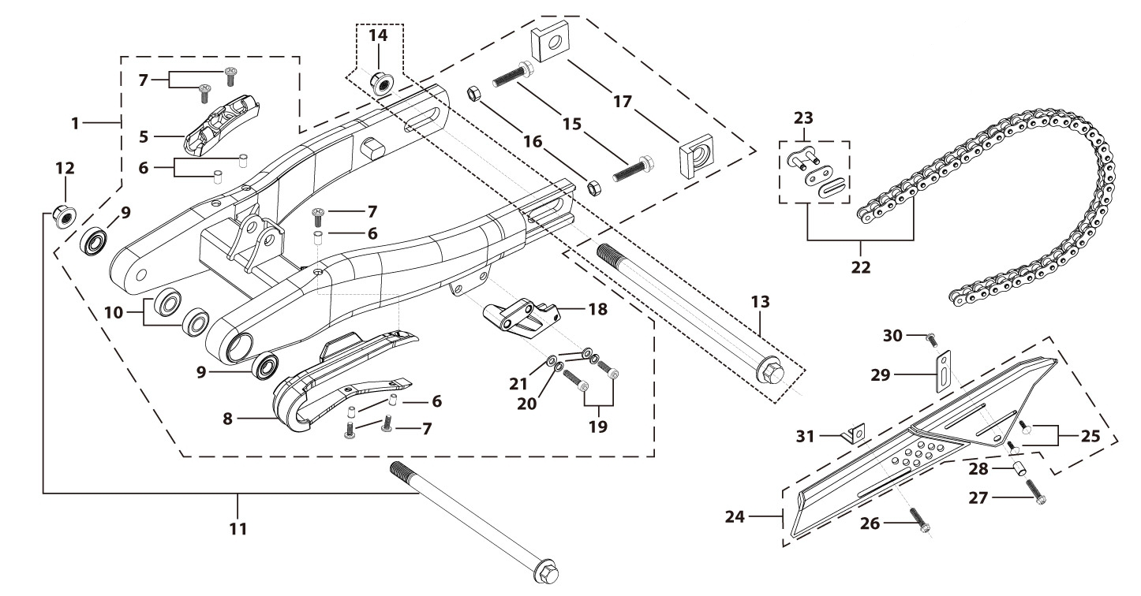
N° | Ref. | Description | Français | Picture | Qty/Bike | Rep. Pst.
1 | YC110-10014-03-BK | YCF Mono swing arm steel Adjustable 2 positions L=390mm d12mm 124mm START125 2026 BLACK | Bras oscillant mono YCF Acier ajustable 2 positions L=390mm d12mm 124mm START125 2026 NOIR |  | 1
5 | YC110-10-015-BK | Rear brake hose guide 2020 Black | Passe durite de frein arriere sur bras oscillant 2020 Noir |  | 1
7 | DIN7985-M6x16 | Screw M6x16mm inox | Vis M6x16mm inox |  | 4
8 | YC110-10-025 | Chain slider for Steel / Alum swing arm PU PILOT/SP/BIGY/SUNDAY/MINI GP and START/SM125/W88E (360/390 mm) | Patin chaine pour bras Acier / Alu 420/460 mm PU PILOT/SP/BIGY/SUNDAY/MINI GP et START/SM125/W88E (360/390 mm) |  | 1
9 | 6001/28-12-08 | Swing arm ball bearing 6001 d12mmxd28mmx8mm | Roulement bras oscillant 6001 d12mmxd28mmx8mm |  | 2
10 | YC110-1001-013 | Spacer for swing arm d12mmxd20mmx11.5mm | Entretoise de bras oscillent d12mmxd20mmx11.5mm |  | 2
11 | YC110-10-034 | Swing arm shaft with self lock nut M12 L=192mm d12 | axe bras oscillant d12 avec ecrou M12 L=192mm |  | 1
12 | GB6187-M12-W | HEXAGON FLAT FLANGE LOCK NUT M12mm steel | Ecrou HEXAGONAL avec Flange autobloquant M12mm acier |  | 1
13 | YC110-11-074 | Rear wheel axle L=215mm d15mm with Self locking nut M14 | axe roue arriere L=215mm d15mm avec ecrou M14 |  | 1
...
N° | Ref. | Description | Français | Picture | Qty/Bike | Rep. Pst.
28 | 420-104T-BL | Chain 420H-104T, ordinary, BLUE | Chaine 420 104T maillons standard BLEU |  | 1 | AFTERMARKET
28 | 420-104T-GR | Chain 420H-104T, ordinary, GREEN | Chaine 420 104T maillons standard VERT |  | 1 | AFTERMARKET
28 | 420-104T-RD | Chain 420H-104T, ordinary, RED | Chaine 420 104T maillons standard ROUGE |  | 1 | AFTERMARKET
28 | 420-104T-YE | Chain 420H-104T, ordinary, YELLOW | Chaine 420 104T maillons standard JAUNE |  | 1 | AFTERMARKET
28 | 420-104T-OR | Chain 420H-104T, ordinary, ORANGE | Chaine 420 104T maillons standard ORANGE |  | 1 | AFTERMARKET
28 | FB13-7x12x5.5 | Bushing d7mmxd12mmx5.5mm for gearshift tube | Entretoise d7mmxd12mmx5.5mm pour tige de selecteur |  | 1
29 | YC110-0213-0401 | Number plate bracket long TOP 2020 | Support plaque avant 2020 |  | 1
30 | GB818-M6x12-W | Pan / Round head cross machine screw M6x12mm | Vis à tête ronde cruciforme M6x12mm |  | 1
31 | YC110-0600-021 | Chain box protection support (front) | Support avant Protection chaine plastique |  | 1
后轮总成Rear Wheel Assy |  |  |  |  |  | AB
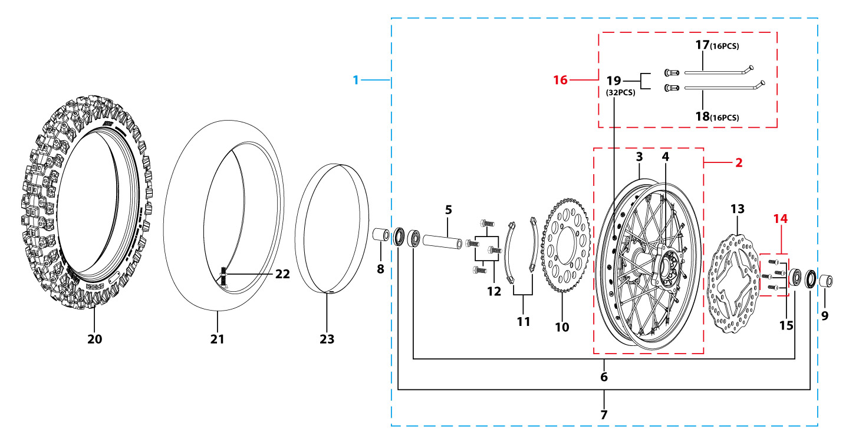
N° | Ref. | Description | Français | Picture | Qty/Bike | Rep. Pst.
1 | YC110-1101-3401-BK | Complete STEEL Rear wheel 1.85x12' with disk and sproket die cast hub 2021 8k 96140-6003-2Z bearing with spacers | Roue arriere complète ACIER 1.85x12' moyeux injecte avec disque et couronne 2021 8k 96140-6003-2z roulement avec entretoises fixes |  | 1
1 | YC110-1101-25-BK | Complete ALUMINIUM Rear wheel 1.85-12' with disk CNC BLACK hub BLACK Rim 2021 8K | roue arriere complète ALUMINIUM 1.85-12 avec disque moyeux CNC NOIR / Jante NOIRE 2021 8K |  | 1 | AFTERMARKET
1 | YC110-1101-25-BL | Complete ALUMINIUM Rear wheel 1.85-12' with disk CNC BLUE hub BLACK Rim 2021 8K | roue arriere complète ALUMINIUM 1.85-12 avec disque moyeux CNC BLEU / Jante NOIRE 2021 8K |  | 1 | AFTERMARKET
1 | YC110-1101-25-GR | Complete ALUMINIUM Rear wheel 1.85-12' with disk CNC GREEN hub BLACK Rim 2021 8K | roue arriere complète ALUMINIUM 1.85-12 avec disque moyeux CNC VERT / Jante NOIRE 2021 8K |  | 1 | AFTERMARKET
1 | YC110-1101-25-OR | Complete ALUMINIUM Rear wheel 1.85-12' with disk CNC ORANGE hub BLACK Rim 2021 8K | roue arriere complète ALUMINIUM 1.85-12 avec disque moyeux CNC ORANGE / Jante NOIRE 2021 8K |  | 1 | AFTERMARKET
1 | YC110-1101-25-RD | Complete ALUMINIUM Rear wheel 1.85-12' with disk CNC RED hub BLACK Rim 2021 8K | roue arriere complète ALUMINIUM 1.85-12 avec disque moyeux CNC ROUGE / Jante NOIRE 2021 8K |  | 1 | AFTERMARKET
1 | YC110-1101-25-PU | Complete ALUMINIUM Rear wheel 1.85-12' with disk CNC PURPLE hub BLACK Rim 2021 8K | roue arriere complète ALUMINIUM 1.85-12 avec disque moyeux CNC VIOLET / Jante NOIRE 2021 8K |  | 1 | AFTERMARKET
 | YC110-0626-0201-BK | YCF supermoto wheel Rear 2.75x12' 2024 BLACK (without disk and sprocket) with spacers | Roue supermoto 2.75x12' arriere 2024 NOIR YCF (sans disque ni couronne) avec entretoises fixes |  | 1 | AFTERMARKET
3 | YC110-1107-34-BK | STEEL Rim 1.85x12' Black 2021 (SPOKES 4 mm - 8K) | cerceau roue 1,85x12' ACIER Noir 2021 (RAYONS 4 mm -8K) |  | 1
...
N° | Ref. | Description | Français | Picture | Qty/Bike | Rep. Pst.
 | 120/70-12K702 | KENDA K702 Front tyre 120/70/12' | pneu KENDA K702 120/70/12' |  | 1 | AFTERMARKET
21 | CHAMBRE12 | Tube for Rear tire 3.00x12' | chambre air 3.00x12' |  | 1
23 | YC110-11-01 | tire lining for 12'x20 | fond jante av12'x20 |  | 1
 | TVC-RD | Tire valve caps 2PCS RED | Embout Valve Chambre a Air CNC ROUGE |  | 1 | AFTERMARKET
 | TVC-OR | Tire valve caps 2PCS ORANGE | Embout Valve Chambre a Air CNC ORANGE |  | 1 | AFTERMARKET
 | TVC-GR | Tire valve caps 2PCS GREEN | Embout Valve Chambre a Air CNC VERT |  | 1 | AFTERMARKET
 | TVC-BL | Tire valve caps 2PCS BLUE | Embout Valve Chambre a Air CNC BLEU |  | 1 | AFTERMARKET
 | TVC-BK | Tire valve caps 2PCS BLACK | Embout Valve Chambre a Air CNC NOIR |  | 1 | AFTERMARKET
 | TVC-PU | Tire valve caps 2PCS PURPLE | Embout Valve Chambre a Air CNC PURPLE |  | 1 | AFTERMARKET
REAR BRAKE |  |  |  |  |  | AB
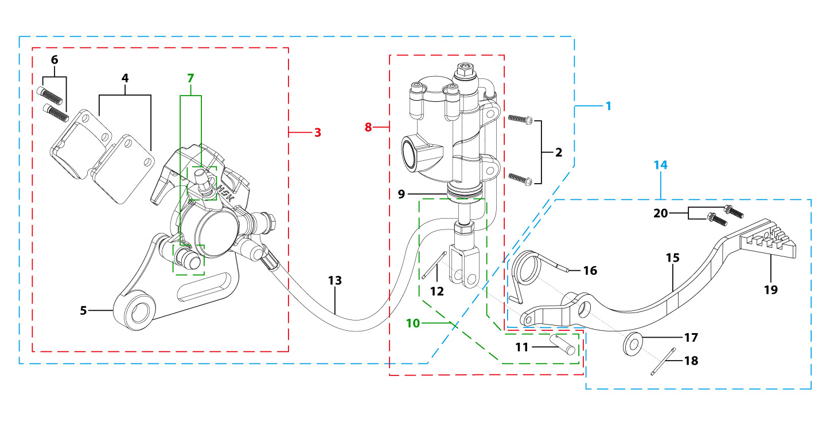
N° | Ref. | Description | Français | Picture | Qty/Bike | Rep. Pst.
1 | YC110-12012-0601 | Rear brake aasy 1 piston W/T asbestos L=375mm d8/d10 2020 | Kit frein arriere 1 piston avec gaine plastic SANS AMIANTE L=375mm d8/d10 2020 |  | 1
 | YC110-12012-09-BK | Rear brake aasy d10/10 L=465mm 2014 BLACK | Kit frein arriere d10/10 L=465mm 2014 NOIR |  | 1 | AFTERMARKET
2 | BT08-M6x20-W | HEXAGON Torx screw with Flange M6x20mm | Vis HEXAGONALE Torx avec Flange M6x20mm |  | 2
3 | YC110-1201-0401 | Rear Caliper 1 pistons d10 w/t asbestos 2020 | étrier frein arrière 1 piston d10 sans amiante 2020 |  | 1
 | RBRC01-BK | Rear brake reservoir cover BLACK | Capot maitre-cylindre frein arriere CNC NOIR |  | 1 | AFTERMARKET
 | RBRC01-BL | Rear brake reservoir cover BLUE | Capot maitre-cylindre frein arriere CNC BLEU |  | 1 | AFTERMARKET
 | RBRC01-RD | Rear brake reservoir cover RED | Capot maitre-cylindre frein arriere CNC ROUGE |  | 1 | AFTERMARKET
 | RBRC01-GR | Rear brake reservoir cover GREEN | Capot maitre-cylindre frein arriere CNC VERT |  | 1 | AFTERMARKET
 | RBRC01-OR | Rear brake reservoir cover ORANGE | Capot maitre-cylindre frein arriere CNC ORANGE |  | 1 | AFTERMARKET
...
N° | Ref. | Description | Français | Picture | Qty/Bike | Rep. Pst.
18 | GB91-d2.5x30-W | Split pin d2.5mmx30mm | Goupille d2.5mmx30mm |  | 1
19 | YC110-1223-01-GY | Steel brake pedal end cap 2020 | embout pédale de frein Acier 2020 |  | 1
16 | YC110-1223-02-BK | Aluminium brake pedal end cap 2020 BLACK | embout pédale de frein Aluminium 2020 NOIR |  | 1 | AFTERMARKET
16 | YC110-1223-02-BL | Aluminium brake pedal end cap 2020 BLUE | embout pédale de frein Aluminium 2020 BLUE |  | 1 | AFTERMARKET
16 | YC110-1223-02-GR | Aluminium brake pedal end cap 2020 GREEN | embout pédale de frein Aluminium 2020 VERT |  | 1 | AFTERMARKET
16 | YC110-1223-02-OR | Aluminium brake pedal end cap 2020 ORANGE | embout pédale de frein Aluminium 2020 ORANGE |  | 1 | AFTERMARKET
16 | YC110-1223-02-RD | Aluminium brake pedal end cap 2020 RED | embout pédale de frein Aluminium 2020 ROUGE |  | 1 | AFTERMARKET
16 | YC110-1223-02-PU | Aluminium brake pedal end cap 2020 PURPLE | embout pédale de frein Aluminium 2020 VIOLET |  | 1 | AFTERMARKET
20 | BT08-M6x12-W | HEXAGON Torx screw with Flange M6x12mm | Vis HEXAGONALE Torx avec Flange M6x12mm |  | 2
Exhaust system |  |  |  |  |  | AB
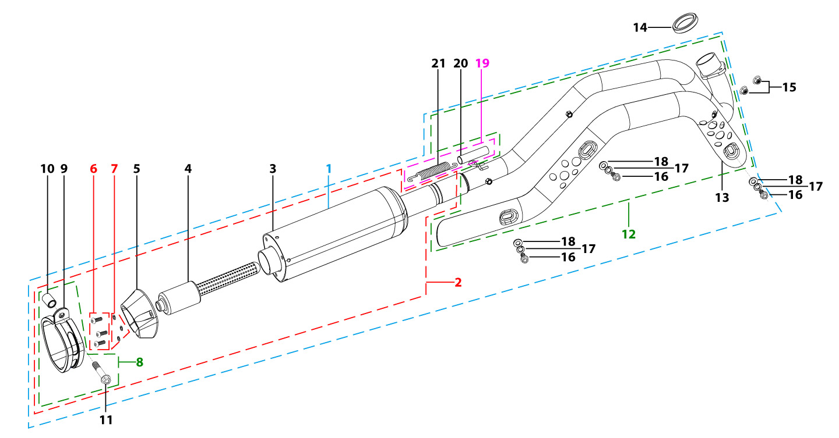
N° | Ref. | Description | Français | Picture | Qty/Bike | Rep. Pst.
1 | YC110-136-02-GY | START Muffler& Exhaust pipe assy YCF 94db (1 spring) 2022 | Echapement complet YCF 94db START (1 ressort) 2022 |  | 1
2 | YC110-13016-GY | YCF Muffler complete 94db START L=295mm (1 springs) GREY | silencieux complet YCF 94db GRIS |  | 1
 | YC110-1301-05-GY | Muffler RACING (2 springs) Logo+NK 2025 Grey | silencieux YCF SP3 RACING Logo+NK 2025 Gris |  | 1 | AFTERMARKET
4 | YC110-13-301 | Noise reducer (spark arrestor) YCF START | Bride de pot YCF START |  | 1
5 | YC110-13-32 | Muffler end cap YCF | Embout silencieux YCF |  | 1
6 | GB70.2-M5x12-Cr | Pan head hexagon screw M5x12mm Cr | Vis à tête ronde Allen (BTR) M5x12mm Cr |  | 3
7 | GB93-d5 | Spring Lock Washers d5mm inox | Rondelle a ressort d5mm inox |  | 3
8 | YC110-13-06 | Hoop for muffler complete YCF START 2020 (with rubber) | Attache silencieux complet YCF START 2020 (avec caoutchouc) |  | 1
10 | FB13-10x14x23-W | Muffler Hoop spacer d10mmxd14mmx23mm | Entretoise attache silencieux d10mmxd14mmx23mm |  | 1
...
N° | Ref. | Description | Français | Picture | Qty/Bike | Rep. Pst.
 | YC110-1302-3501 | Exhaust pipe with protection plate d28mm START 2022 Double hook for Racing Muffler | collecteur avec plaque d28mm START 2022 Double hook pour Silencieux Racing |  | 1 | AFTERMARKET
13 | YC110-1312-07 | Protection plate for exhaust pipe F125 2022 | Plaque protection pour collecteur F125 2022 |  | 1
14 | 18291/152FMH | Exhaust pipe washer d33mmxd24.5mmx5mm | joint pot d33mmxd24.5mmx5mm |  | 1
15 | GB6187-M6-W | HEXAGON FLAT FLANGE LOCK NUT M6 | Ecrou HEXAGONAL avec Flange autobloquant M6 |  | 2
16 | BT08-M6x10-W | HEXAGON Torx screw with Flange M6x10mm | Vis HEXAGONALE Torx avec Flange M6x10mm |  | 3
17 | GB93-d6 | Spring Lock Washers d6mm inox | Rondelle a ressort d6mm inox |  | 3
18 | GB97-d6-W | Flat washer,steel d6mm | Rondelle plate,acier d6mm |  | 3
19 | YC110-13-21 | Muffler spring L=50mm with rubber L=75mm | Ressort pot L=50mm avec le caoutchouc pour silencieux L=75mm |  | 1
 | EEP-BL | Engine exhaust plug BLUE | Embout pot pour lavage moto BLEU |  | 1 | AFTERMARKET
Seat & Plastic kit |  |  |  |  |  | AB
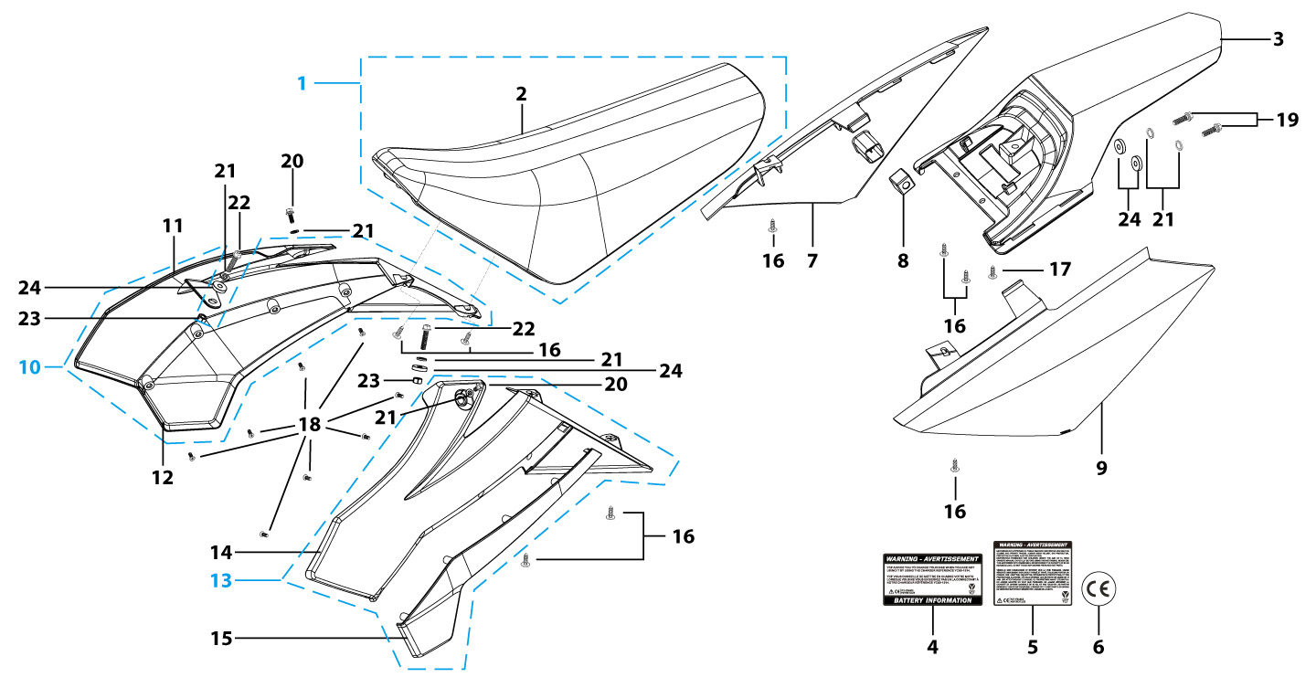
N° | Ref. | Description | Français | Picture | Qty/Bike | Rep. Pst.
1 | YC110-1401-21 | Seat assy "low" L=480mm H=122mm 2025 BLACK | Selle basse L=480mm H=122mm 2025 NOIR |  | 1
1 | YC110-1401-08-RD | YCF 2015 Seat assy 125CC RED | Selle Complete CRF50 Anti Derapante Renforcee 2015 ROUGE |  | 1 | AFTERMARKET
1 | YC110-1401-08-OR | YCF 2015 Seat assy 125CC ORANGE | Selle Complete CRF50 Anti Derapante Renforcee 2015 ORANGE |  | 1 | AFTERMARKET
1 | YC110-1401-08-YE | YCF 2015 Seat assy 125CC YELLOW | Selle Complete CRF50 Anti Derapante Renforcee 2015 JAUNE |  | 1 | AFTERMARKET
1 | YC110-1401-08-GR | YCF 2015 Seat assy 125CC GREEN | Selle Complete CRF50 Anti Derapante Renforcee 2015 VERT |  | 1 | AFTERMARKET
1 | YC110-1401-08-BL | YCF 2015 Seat assy 125CC BLUE | Selle Complete CRF50 Anti Derapante Renforcee 2015 BLEU |  | 1 | AFTERMARKET
2 | YC110-14024-01 | YCF START seat cover short | Housse selle YCF START Court terme |  | 1
3 | YC110-14-012-BK | YCF Rear fender 2013 Black | Garde boue arrière YCF 2013 avec Picots Noir |  | 1
3 | YC110-14-012-WH | YCF Rear fender 2013 WHITE | Garde boue arrière YCF 2013 avec Picots BLANC |  | 1 | AFTERMARKET
...
N° | Ref. | Description | Français | Picture | Qty/Bike | Rep. Pst.
16 | GB845-ST4.8x16-G | Pan Head Cross Tapping Screw ST4.8x16mm | Vis taraudeuse à tête ronde cruciforme ST4.8x16mm |  | 8
17 | GB845-ST4.8x20-G | Pan Head Cross Tapping Screw ST4.8x20mm | Vis taraudeuse à tête ronde cruciforme ST4.8x20mm |  | 1
18 | GB819-M4x10-W | Countersunk cross head machine screw,steel, M4x10mm | Vis à tête fraisée plate cruciforme ,acier, M4x10mm |  | 8
19 | BT08-M6x20-W | HEXAGON Torx screw with Flange M6x20mm | Vis HEXAGONALE Torx avec Flange M6x20mm |  | 2
20 | FB5787-M5x12-W | hex.Bolt with flanged M5x12mm | Vis M5x12mm |  | 2
21 | GB96-d6-W | Flat washer,steel d6mm | Rondelle plate,acier d6mm |  | 6
22 | BT08-M6x25-W | HEXAGON Torx screw with Flange M6x25mm | Vis HEXAGONALE Torx avec Flange M6x25mm |  | 2
23 | GB6177-M6-W | HEXAGON FLAT FLANGE NUT M6 steel | Ecrou HEXAGONAL avec Flange M6 acier |  | 2
24 | YC110-03-01 | Rubber washer d6mmxd18mmx4mm for seat fixation on subframe | joint caoutchouc d6mmxd18mmx4mm pour fixation selie sur boucle acier |  | 4
ELECTRIC |  |  |  |  |  | AB
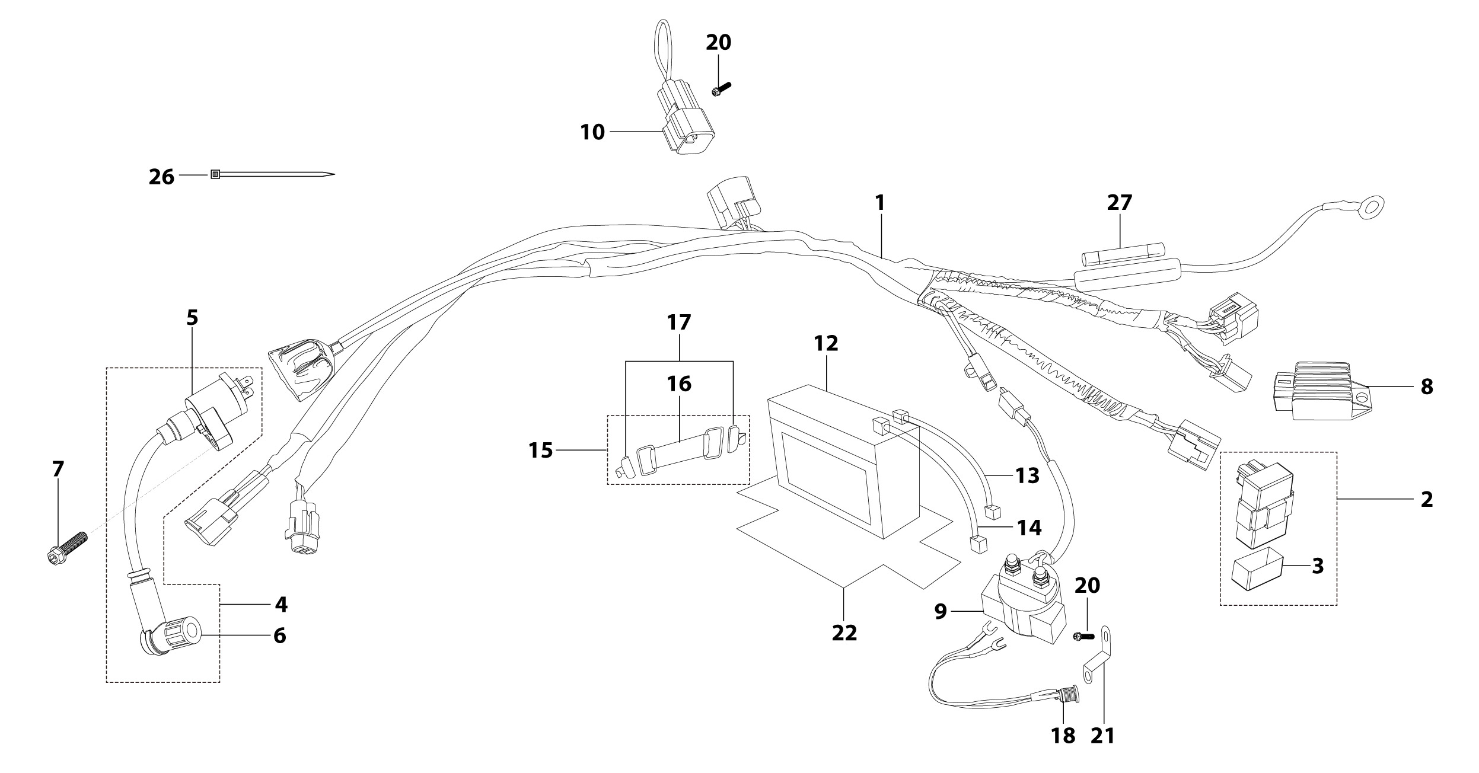
N° | Ref. | Description | Français | Picture | Qty/Bike | Rep. Pst.
1 | YC110-1501-2002 | Wire harness Electric start engine 2022 L=650mm Ignitor coil L=240mm rectifier L=130mm | Faisceaux éléctrique 2022 L=650mm bobine haute tension L=240mm ，Rectificateur L=130mm, |  | 1
2 | YC110-1503 | CDI Ignitor assy. | CDI Ignitor assy. |  | 1
 | YC110-1503-01 | CDI Ignitor assy. CNC 2014 | CDI RACING |  | 1 | AFTERMARKET
4 | YC110-1504-02 | Ignitor coil L=240mm | bobine haute tension L=240mm |  | 1
5 | YC110-1504 | Ignitor coil | bobine haute tension (sans anti parasite) |  | 1
6 | YC110-1505 | anti interference red | anti parasite rouge |  | 1
7 | BT08-M6x20-W | HEXAGON Torx screw with Flange M6x20mm | Vis HEXAGONALE Torx avec Flange M6x20mm |  | 1
8 | YC110-1502-01 | rectifier for ENGINE 150-2 | Rectificateur 150-2 |  | 1
9 | YC50-1510 | relay 50CC | Relais demarreur 50CC |  | 1
...
N° | Ref. | Description | Français | Picture | Qty/Bike | Rep. Pst.
13 | YC110-1517-03 | Battery cable L=200mm RED 2020 | Cable pour Chargeur Batterie L=200mm ROUGE 2020 |  | 1
14 | YC110-1516-05 | Battery cable L=230mm Black 2020 | Cable pour Chargeur Batterie L=230mm Noir 2020 |  | 1
15 | YC110-1508-03 | Rubber band battery holder assy | Bande caoutchouc pour maintien batterie complete |  | 1
18 | YC110-1513-0301 | Charger connexion F88se/F125se Comes with waterproof rubber plug | Connection chargeur F88se/F125se Livré avec bouchon adhésif imperméable |  | 1
20 | BT08-M6x10-W | HEXAGON Torx screw with Flange M6x10mm | Vis HEXAGONALE Torx avec Flange M6x10mm |  | 2
21 | YC110-1545-01 | STEEL SUPPORT Charger connexion F88se/F125se Black | Support prise chargeur F88se/F125se Noir |  | 1
22 | YC110-1523-02 | Battery protection 117mmx75mmx60mm | Protection Batterie 117mmx75mmx60mm |  | 1
26 | YC110-01-05-WH | Cable tie,nylon, L=350mm WHITE | collier maintien cable,nylon, L=350mm BLANC |  | 1
27 | YC50-1547-01 | Fuse 50A d6mmx30mm F15AL250V | Fusible YCF50A d6mmx30mm F15AL250V |  | 1
Frame |  |  |  |  |  | AB
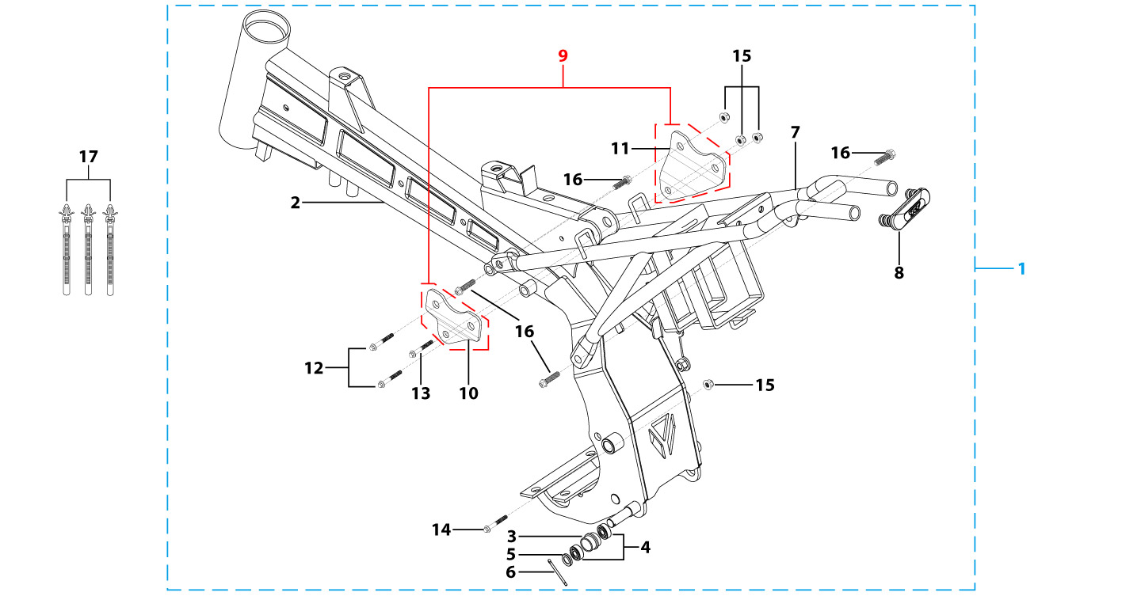
N° | Ref. | Description | Français | Picture | Qty/Bike | Rep. Pst.
1 | YC110-1621-0701-BK | Complete frame F125SE Black /Black hanger plate 2020 | Cadre complet F125SE Noir / pattes Noires 2020 |  | 1
2 | YC110-175-0301-BK | START Chromoly steel frame 2020 Black | Cadre acier chromoly START bras mono 2020 Noir |  | 1
3 | YC110-2201-02 | YCF Chain tensioner component Nylon 2020 | Roulette chaine YCF 2020 Nylon |  | 1
5 | GB97-d10-W | Flat washer,steel d10mm | Rondelle plate,acier d10mm |  | 1
6 | GB91-d2x25-W | Split pin d2.0mmx25mm | Goupille d2.0mmx25mm |  | 1
7 | YC110-1614-28-BK | rear frame part Black 2024 | boucle arrière Noir START F125SE 2024 |  | 1
8 | YC110-1633-0201 | Rubber plug for SUBFRAME part START | Embout Caoutchouc YCF boucle arriere START |  | 1
9 | YC110-16-061-BK | set of engine pads START Black | jeu de patte de cadre START NoirE |  | 1
10 | YC110-16-031-BK | frame engine pads left START 2010 Black | patte de cadre gauche START 2010 NoirE |  | 1
...

