Sheet1
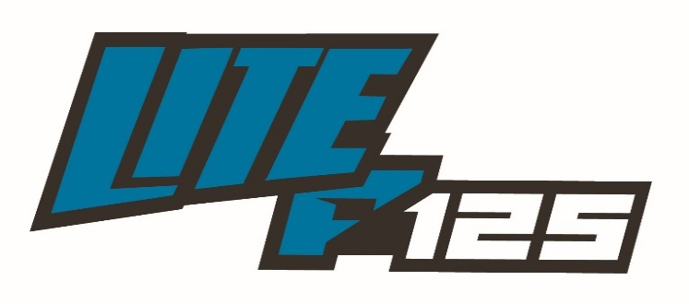 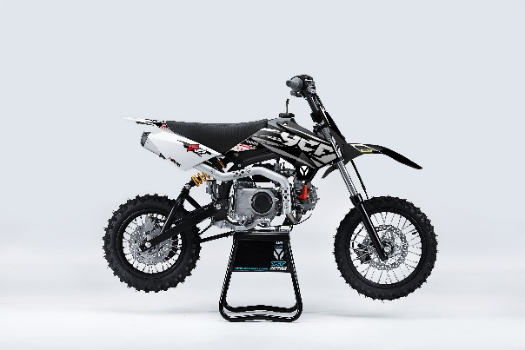
GENERAL
Bike | 2023 YCF LITE F125 | Body | Fun | Configuration | 119,7cc, 4-stroke, Air-cooled, 2 valve, 1-cylinder
Country of Origin | China | Engine Capacity | 124 cc | Engine Ref. | MOTEUR-125ZF

ENGINE
Induction System | Aspirated | Exhaust Config | 1 Into 1 | Stroke | 55,5 mm
Exhaust Description | Grey with Grey aluminium muffler | Carburettor(s) | 1 | Cylinders | 1
Cooling | Air | Engine Capacity | 124 cc | Valves Per Cylinder | 2
Engine Description | 125 | Engine Type | Piston | Compression Ratio | 10.0:1
Engine Config | Horizontal | Engine Stroke | 4 | Lubrication | Separate
Carburettor | Nibbi PE19FL-SP | Bore | 52.4mm

START
Ignition | CDI (Capacitive Discharge Ignition) | Ignition Description | Digital ECU; ignition produces hot spark | Starter | Kick

ELECTRICS
Engine Voltage | Without | Charging Method | Without

FUEL & EMISSIONS
Fuel Type | Petrol | Fuel Tank Capacity | 3.8 L | Recommended RON | 95

TRANSMISSION
Drive Type | Chain | Gear Change Method | Left foot lever | 3rd Gear Ratio | 1.35
Gear Type | Manual | 1st Gear Ratio | 3.272 | 4th Gear Ratio | 1.043
Gear Number | 4 (N-1-2-3-4) | 2nd Gear Ratio | 1.937 | Clutch Type | Wet, Multi Plate

CHASSIS & SUSPENSION
Frame Material | High tensile steel; Tubular | Swingarm Type | Cantilever | Front Suspension | 650mm Front Forks
Frame Design | With cradle | Rear Suspension | 270 mm Mono Shock Absorber

BRAKES
Front Brake | Single disc; Hydraulic | Front Brake Diameter | 220 mm | Rear Brake Calliper(s) | Single Piston
Front Brake Calliper(s) | Double Piston | Rear Brake | Single disc; Hydraulic | Rear Brake Diameter | 200 mm

WHEELS & TYRES
Wheel Type | Black rims; Laced-spokes | Wheel Size Rear | 1.85x12" | Front Tyre | 60/100-14" Knobby
Wheel Size Front | 1.4x14" | Rear Tyre | 80/100-12" Knobby | Driveline | 15T / 45T

DIMENSIONS & WEIGHTS
Length | 1,590 mm | Height | 1000 mm (handle bar) | Seating Capacity | 1
Width | 760 mm | Wheelbase | 1,110 mm | Seat Height Min | 750 mm
Wet / Op.Weight | 63 kg | Ground Clearance | 305 mm

