Sheet1
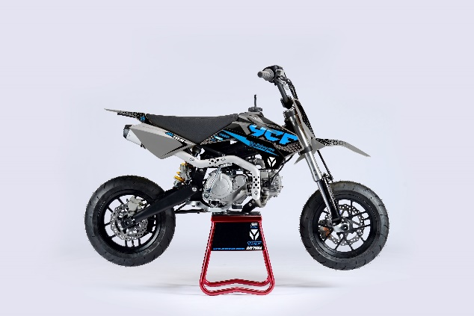
GENERAL
Bike | 2024 START SM 125 | Body | Fun | Configuration | 125cc, 4-stroke, Air-cooled, 2 valve, 1-cylinder
Country of Origin | China | Engine Capacity | 125 cc | Engine Ref. | MOTEUR125-G-02

ENGINE
Induction System | Aspirated | Exhaust Config | 1 Into 1 | Stroke | 54.5mm
Exhaust Description | Grey with Grey aluminium muffler | Carburettor(s) | 1 | Cylinders | 1
Cooling | Air | Engine Capacity | 125 cc | Valves Per Cylinder | 2
Engine Description | 125 manual clutch | Engine Type | Piston | Compression Ratio | 11.5:1
Engine Config | Horizontal | Engine Stroke | 4 | Lubrication | Separate
Carburettor | Nibbi PE24SP | Bore | 54mm

START
Ignition | CDI (Capacitive Discharge Ignition) | Ignition Description | Digital ECU; ignition produces hot spark | Starter | Kick

ELECTRICS
Engine Voltage | Without | Charging Method | Without

FUEL & EMISSIONS
Fuel Type | Petrol | Fuel Tank Capacity | 3.8 L | Recommended RON | 95

TRANSMISSION
Drive Type | Chain | Gear Change Method | Left foot lever | 3rd Gear Ratio | 1.35
Gear Type | Manual, Semi Automatic | 1st Gear Ratio | 2.615 | 4th Gear Ratio | 1.043
Gear Number | 4 (N-1-2-3-4) | 2nd Gear Ratio | 1.706 | Clutch Type | Wet, Multi Plate

CHASSIS & SUSPENSION
Frame Material | High tensile steel; Tubular | Swingarm Type | Dual Sided | Front Suspension | 660mm USD Front Forks.
Frame Design | With cradle | Rear Suspension | 270 mm Mono Shock Absorber, Adjustable preload & rebound dampimg

BRAKES
Front Brake | Single disc; Hydraulic | Front Brake Diameter | 220 mm | Rear Brake Calliper(s) | Single Piston
Front Brake Calliper(s) | Double Piston | Rear Brake | Single disc; Hydraulic | Rear Brake Diameter | 200 mm

WHEELS & TYRES
Wheel Type | Black YCF SM rims | Wheel Size Rear | YCF SM RIM 2.75x12" | Front Tyre | KENDA K702 110/70-12'
Wheel Size Front | YCF SM RIM 2.15x12" | Rear Tyre | KENDA K702 120/70-12' | Driveline | 16T / 41T

DIMENSIONS & WEIGHTS
Length | 1,620 mm | Height | 1020 mm (handle bar) | Seating Capacity | 1
Width | 760 mm | Wheelbase | 1,120 mm | Seat Height Min | 780 mm
Wet / Op.Weight | 69 kg | Ground Clearance | 305 mm

