Sheet1
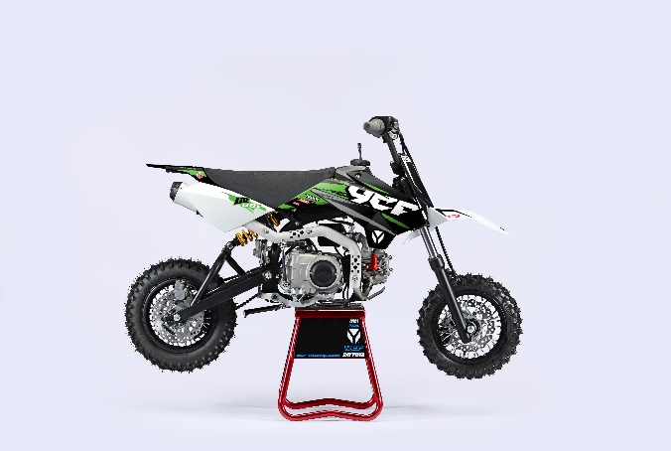 
GENERAL
Bike | 2024 YCF LITE F88S | Body | Fun | Configuration | 86cc, 4-stroke, Air-cooled, 2 valve, 1-cylinder
Country of Origin | China | Engine Capacity | 86 cc | Engine Ref. | MOTEUR-88ZF

ENGINE
Induction System | Aspirated | Exhaust Config | 1 Into 1 | Stroke | 49.5 mm
Exhaust Description | Grey with Grey aluminium muffler | Carburettor(s) | 1 | Cylinders | 1
Cooling | Air | Engine Capacity | 86 cc | Valves Per Cylinder | 2
Engine Description | 88 Semi Automatic | Engine Type | Piston | Compression Ratio | 8.8:1
Engine Config | Horizontal | Engine Stroke | 4 | Lubrication | Separate
Carburettor | Nibbi PE16FL-SP | Bore | 47mm

START
Ignition | CDI (Capacitive Discharge Ignition) | Ignition Description | Digital ECU; ignition produces hot spark | Starter | Kick

ELECTRICS
Engine Voltage | Without | Charging Method | Without

FUEL & EMISSIONS
Fuel Type | Petrol | Fuel Tank Capacity | 3.8 L | Recommended RON | 95

TRANSMISSION
Drive Type | Chain | Gear Change Method | Left foot lever | 3rd Gear Ratio | 1.35
Gear Type | Manual, Semi Automatic | 1st Gear Ratio | 3.272 | 4th Gear Ratio | 1.043
Gear Number | 4 (N-1-2-3-4) | 2nd Gear Ratio | 1.937 | Clutch Type | Wet, Multi Plate

CHASSIS & SUSPENSION
Frame Material | High tensile steel; Tubular | Swingarm Type | Cantilever | Front Suspension | 600mm Front Forks
Frame Design | With cradle | Rear Suspension | 270 mm Mono Shock Absorber

BRAKES
Front Brake | Single disc; Hydraulic | Front Brake Diameter | 200 mm | Rear Brake Calliper(s) | Single Piston
Front Brake Calliper(s) | Double Piston | Rear Brake | Single disc; Hydraulic | Rear Brake Diameter | 200 mm

WHEELS & TYRES
Wheel Type | Black rims; Laced-spokes | Wheel Size Rear | 1.4x10" | Front Tyre | 250/10' Knobby
Wheel Size Front | 1.4x10" | Rear Tyre | 300/10' Knobby | Driveline | 15T / 41T

DIMENSIONS & WEIGHTS
Length | 1,505 mm | Height | 1000 mm (handle bar) | Seating Capacity | 1
Width | 760 mm | Wheelbase | 1,085 mm | Seat Height Min | 725 mm
Wet / Op.Weight | 60 kg | Ground Clearance | 250 mm

